Europe
Opt Nr:- 1 | Date:- 21-01-2026 | DESCRIPTION | TOTAL | COST (EUR) | Length (m) | Width (m) | Height (m) | Qty (Nos) | UNIT / TYPE | COST (EUR)
Client_Exhibitor | SA Fire Protection | FLOORING | 286.00
Exhibition Name | INTERSCHUTZ 2026 | Static Calculation | 0.00
Venue | HANNOVER | STRUCTURE (Walls) | 0.00
Dates | 01-06 June 2026 | Hanging with Truss | 0.00
Stand Size | 10M X 10M | Counters/Podiums/Cabinets/Displays | 1,819.09
Area | 100 SQM | Standard Items | 885.01
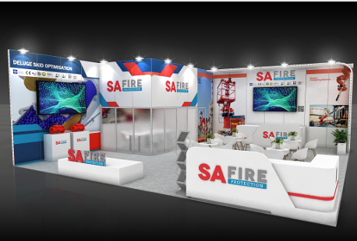
Stand Height | 4M | Plants / Greenery | 278.76
 |  | ELECTRICAL | 715.48
 |  | FURNITURE/Kitchen Itemsem may cost more) | 661.00
 |  | GRAPHICS | 2,772.09
 |  | AUDIO VISUAL (Rented) | 2,800.00
 |  | Set-up & Dismantling Manpower Oniste | € 11,800.00
 |  | Transport To Fair ( Montage+Demontage) | € 5,000.00
 |  | Forklift Services ( Montage+Demontage) | € 6,000.00
 |  | Emtry storage at fair | € 1,200.00
 |  | Material Lifts | € -
 |  | TOTAL COST (EUR) | € 34,217.43

